Skenario Pengujian
HASIL MAPE
 | MAPE
1 | 2.884
2 | 3.6119
3 | 4.622
4 | 2.5117
5 | 5.7648
6 | 2.6769
7 | 3.7808
8 | 5.0165
Skenario | Parameter |  |  |  |  |  |  |  | Evaluasi Model
 | LSTM Layers | Units per Layer | Dropout Rate | Batch Size | Epochs | Train Split | Learning Rate | Optimizer | MAPE
1 | 2 | [64, 32] | 0.2 | 16 | 50 | 0.8 | 0.001 | Adam | 2.884
2 | 3 | [128, 64, 32] | 0.3 | 32 | 100 | 0.8 | 0.001 | Adam | 3.6119
3 | 3 | [256, 128, 64] | 0.2 | 64 | 100 | 0.9 | 0.0005 | RMSprop | 4.622
4 | 2 | [128, 64] | 0.1 | 32 | 50 | 0.8 | 0.001 | Adam | 2.5117
5 | 3 | [64, 32, 16] | 0.3 | 16 | 100 | 0.9 | 0.0005 | RMSprop | 5.7648
6 | 2 | [256, 128] | 0.2 | 64 | 50 | 0.9 | 0.001 | Adam | 2.6769
7 | 3 | [128, 64, 32] | 0.4 | 32 | 200 | 0.8 | 0.0001 | Adam | 3.7808
8 | 2 | [64, 32] | 0.1 | 16 | 100 | 0.9 | 0.0005 | RMSprop | 5.0165

1
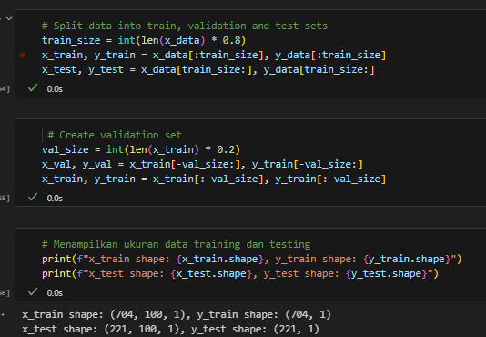
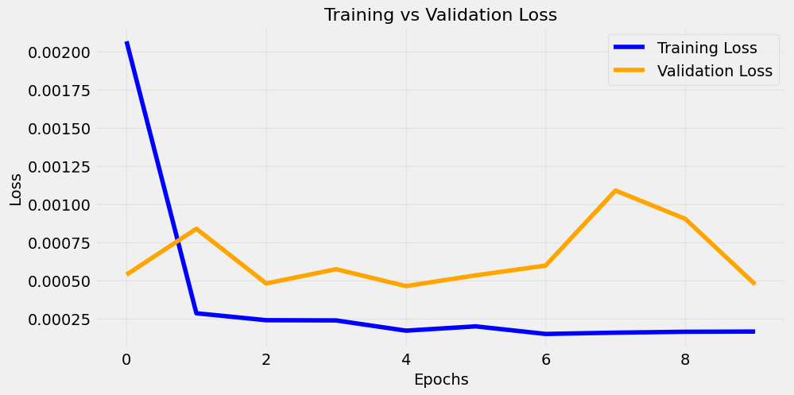
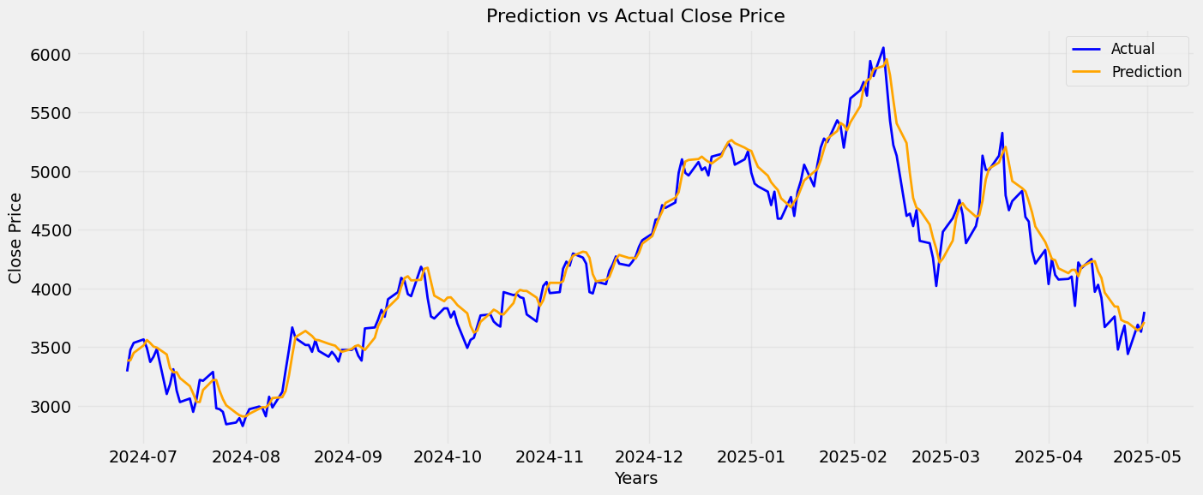
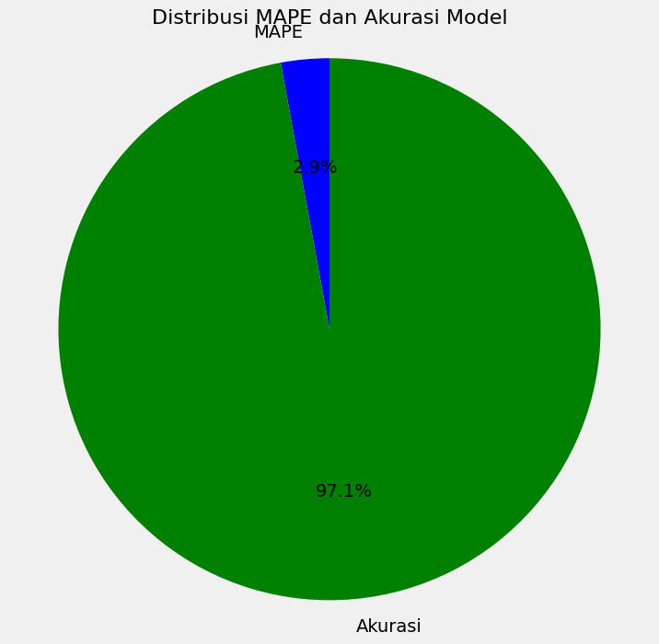

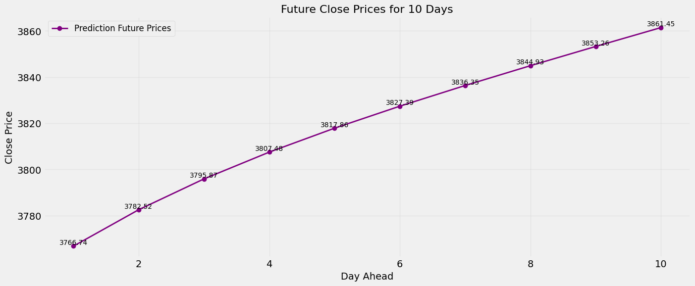

2
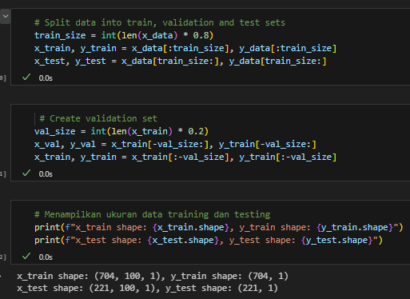
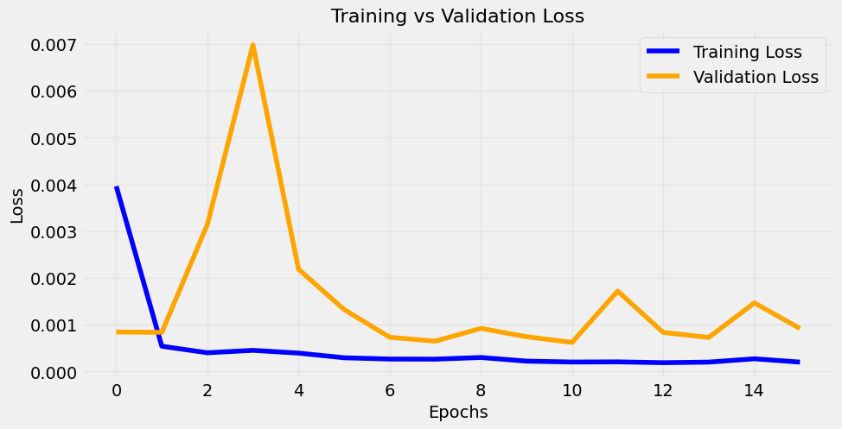
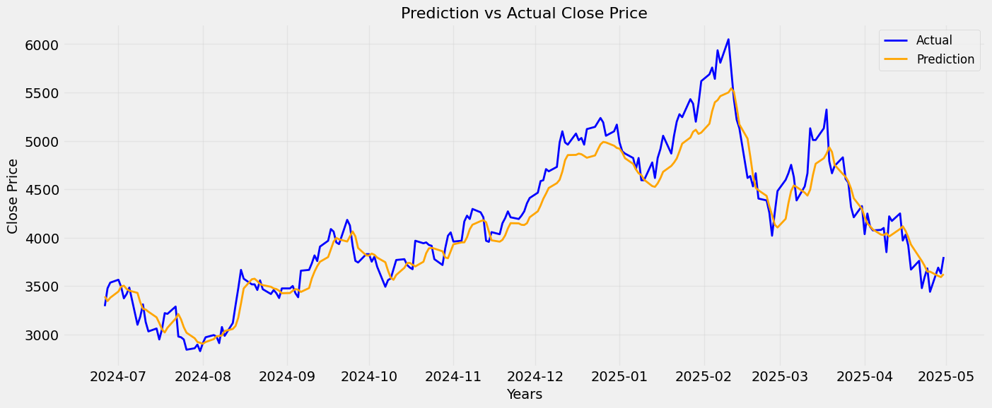

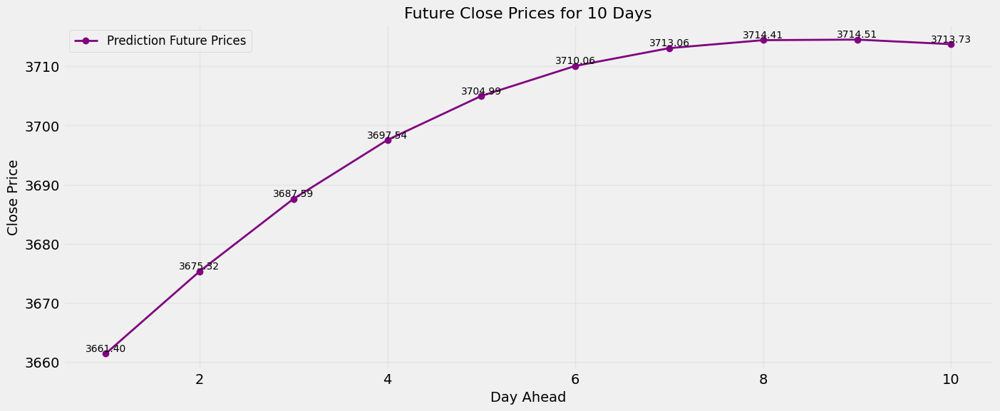
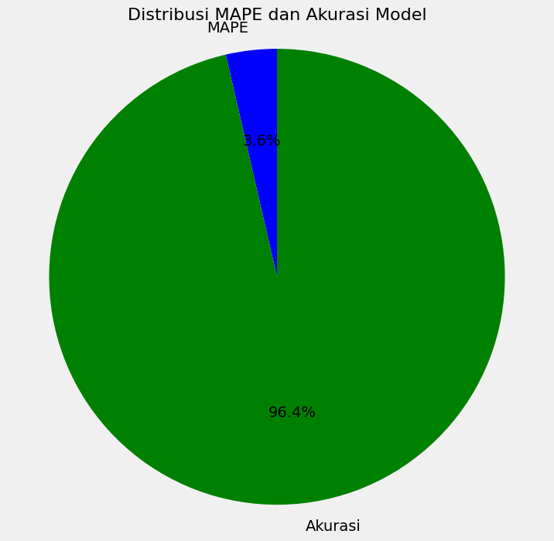

3
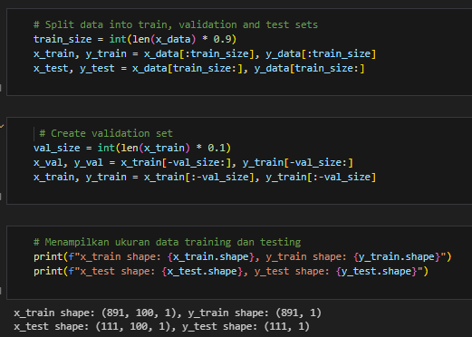
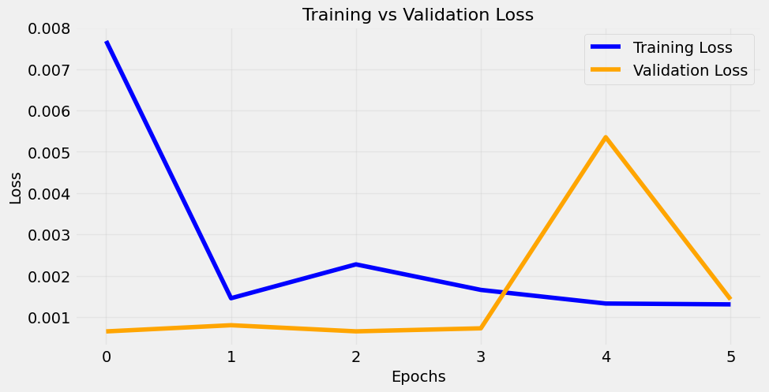
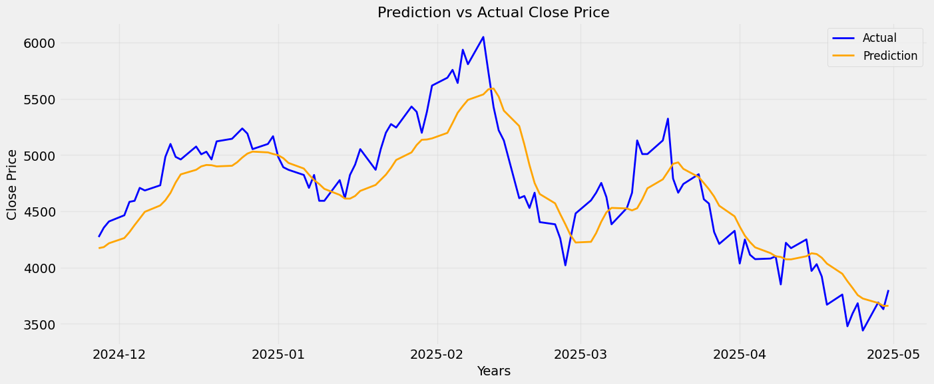

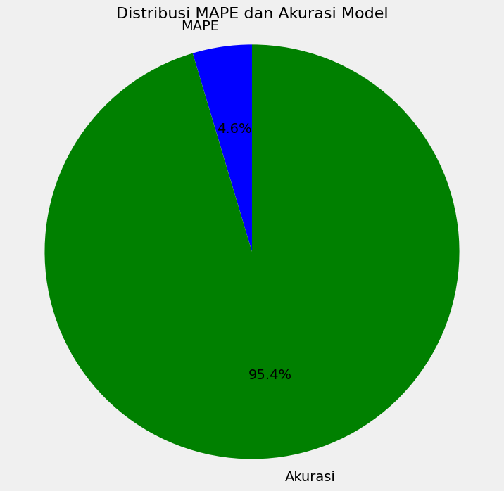

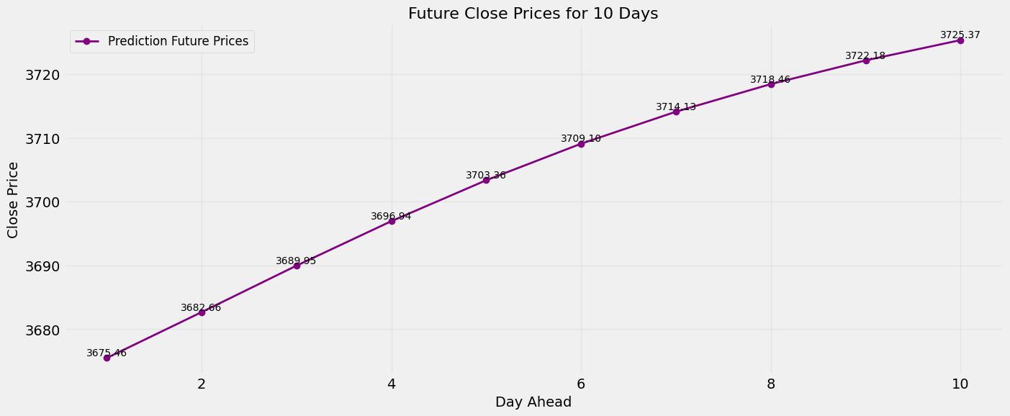

4
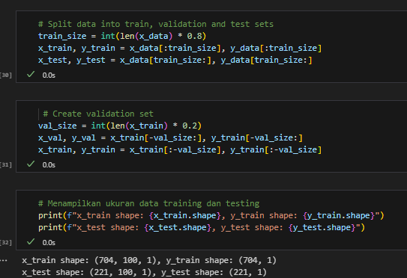
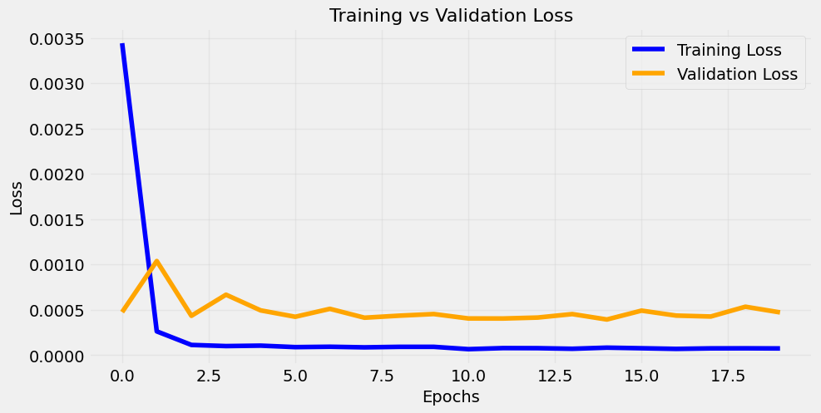
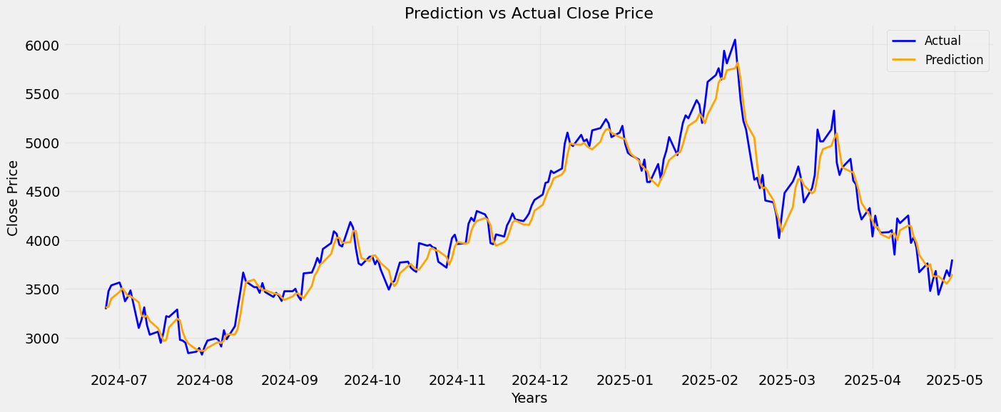


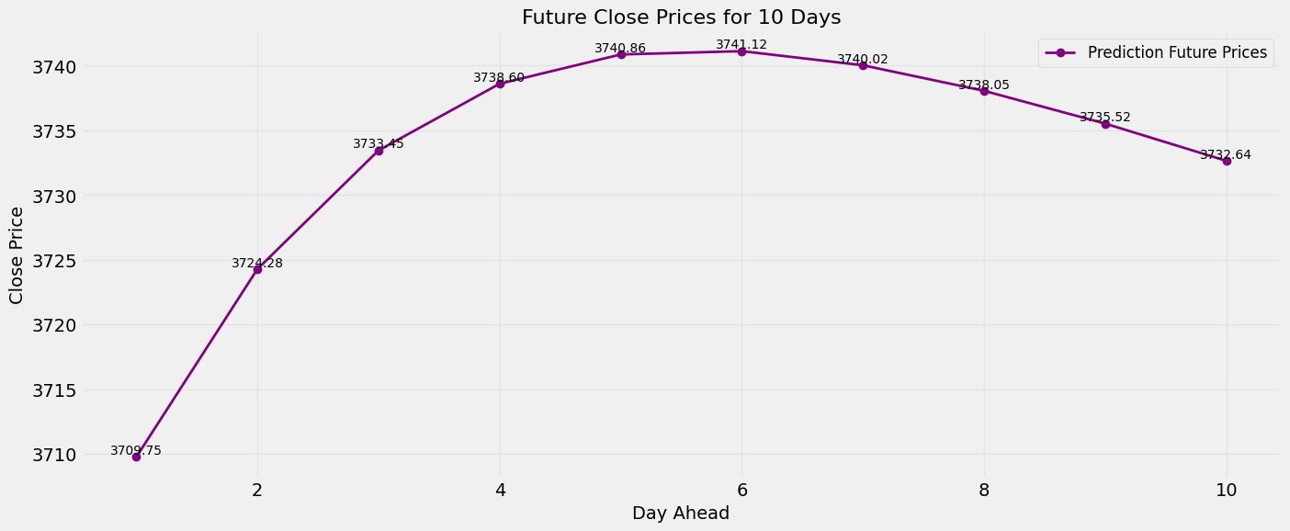

5
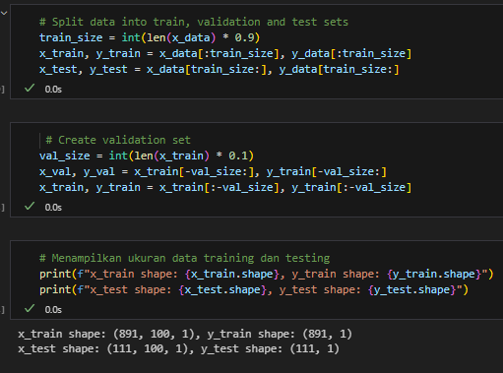
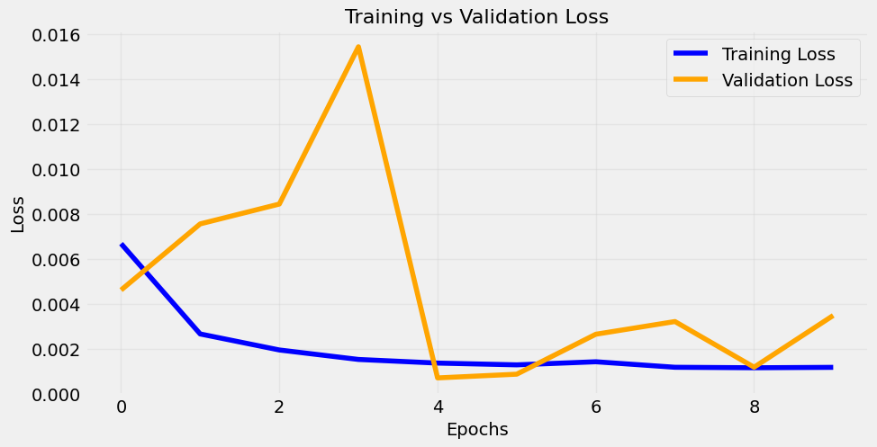
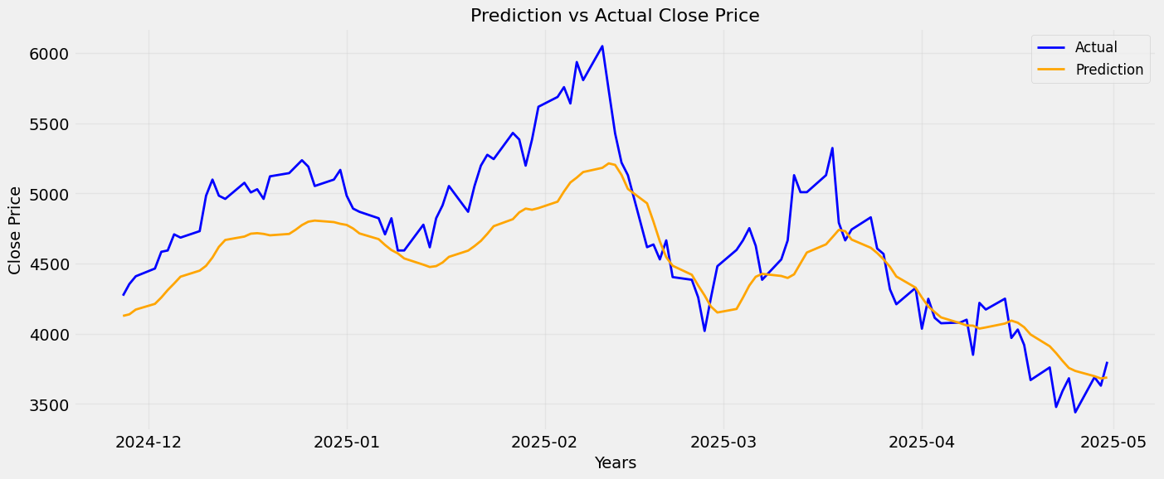
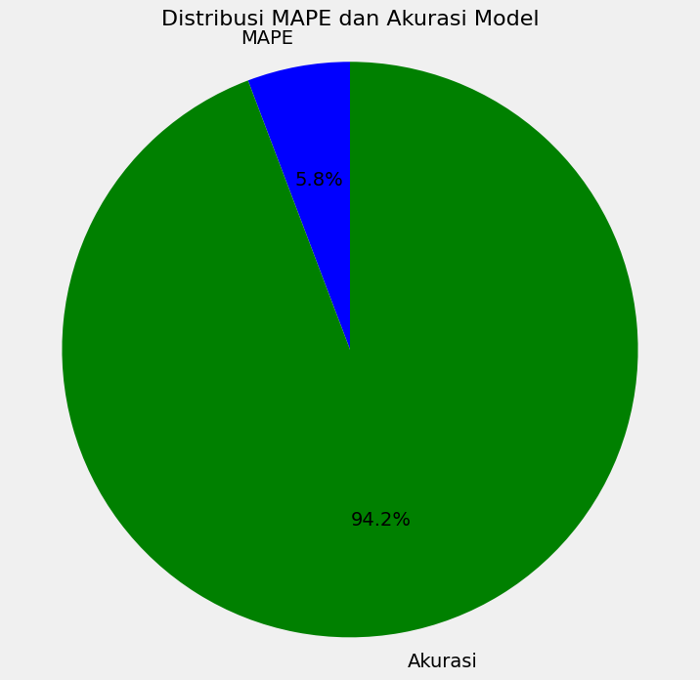

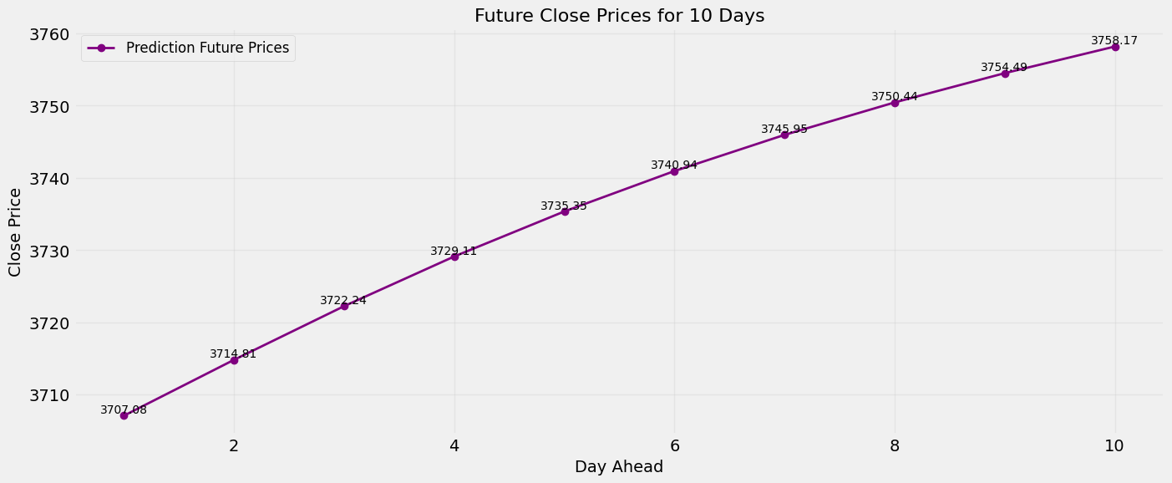

6
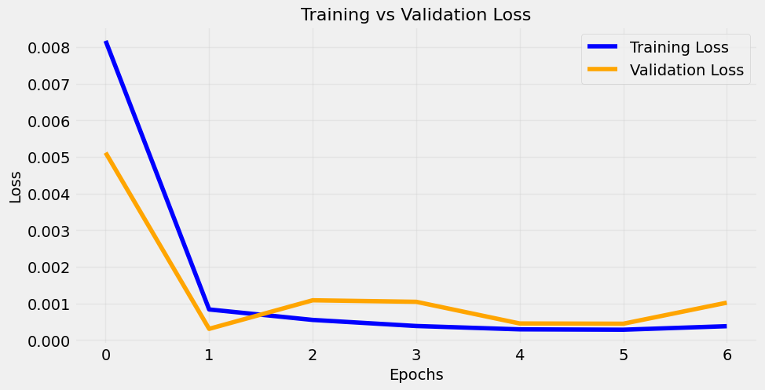
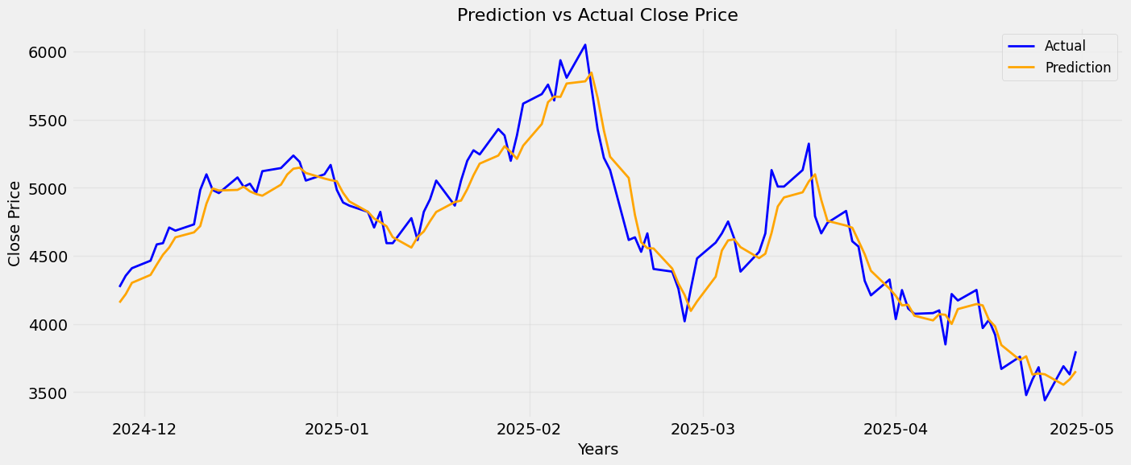


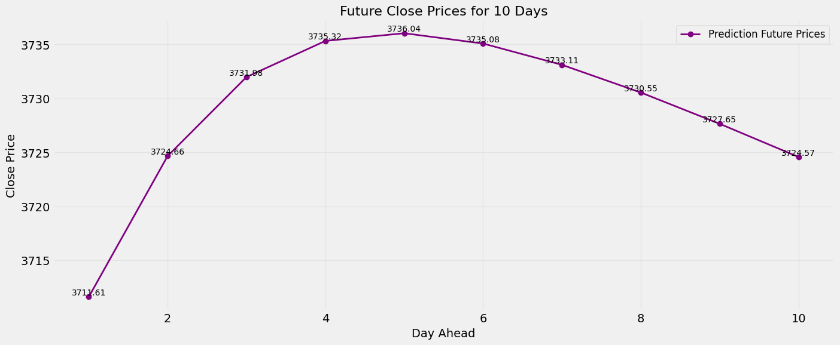

7
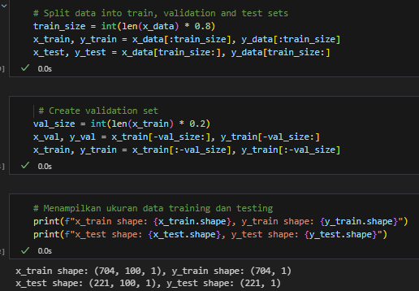
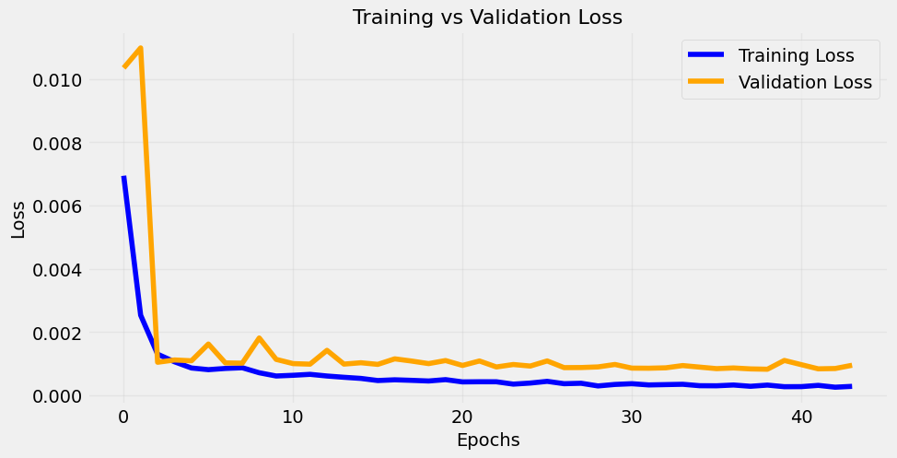


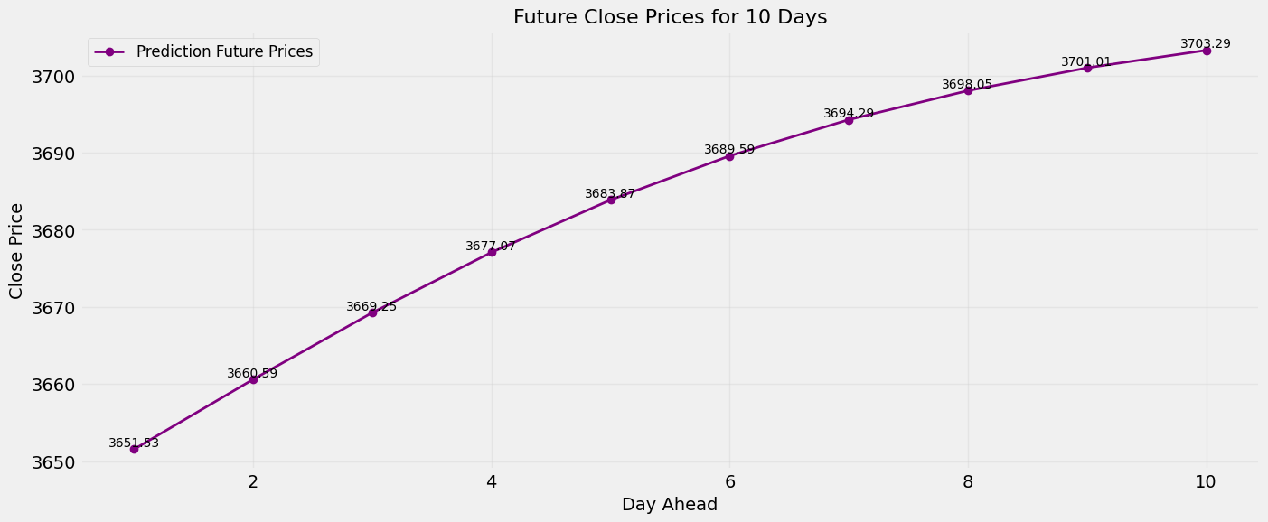


8
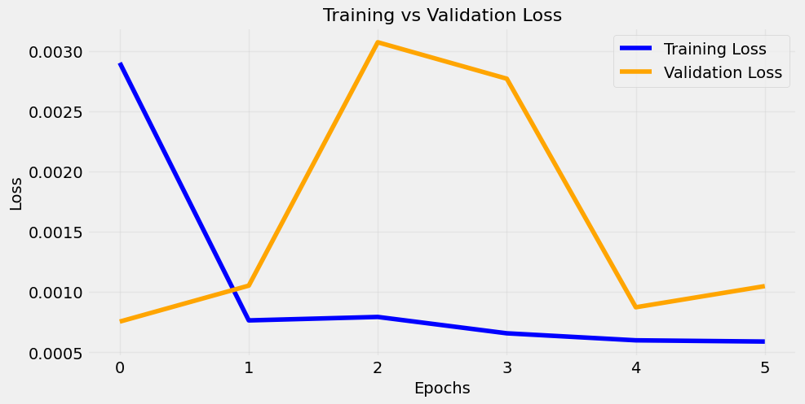
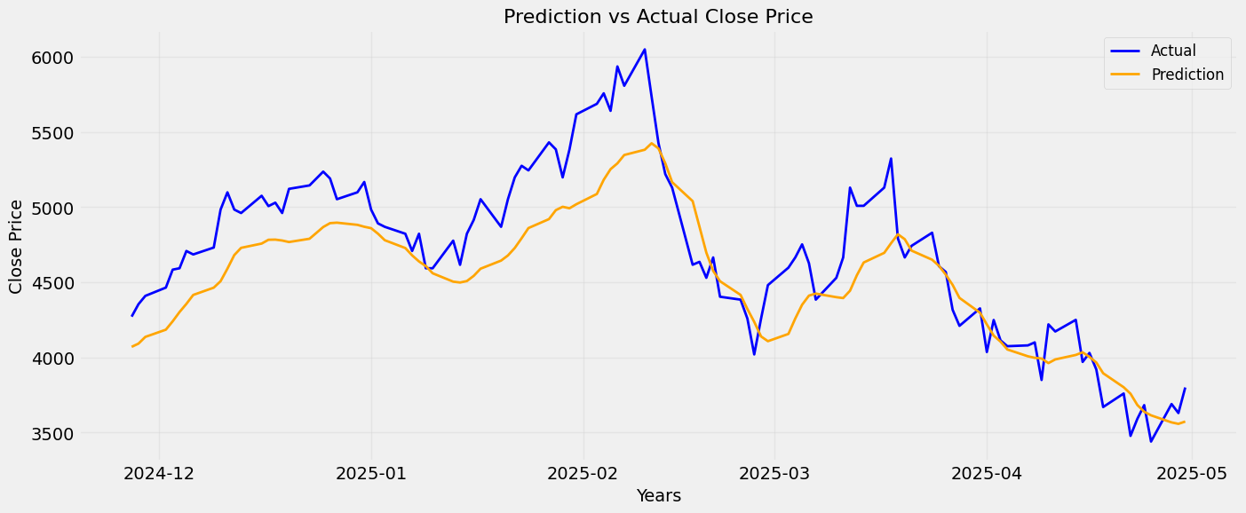


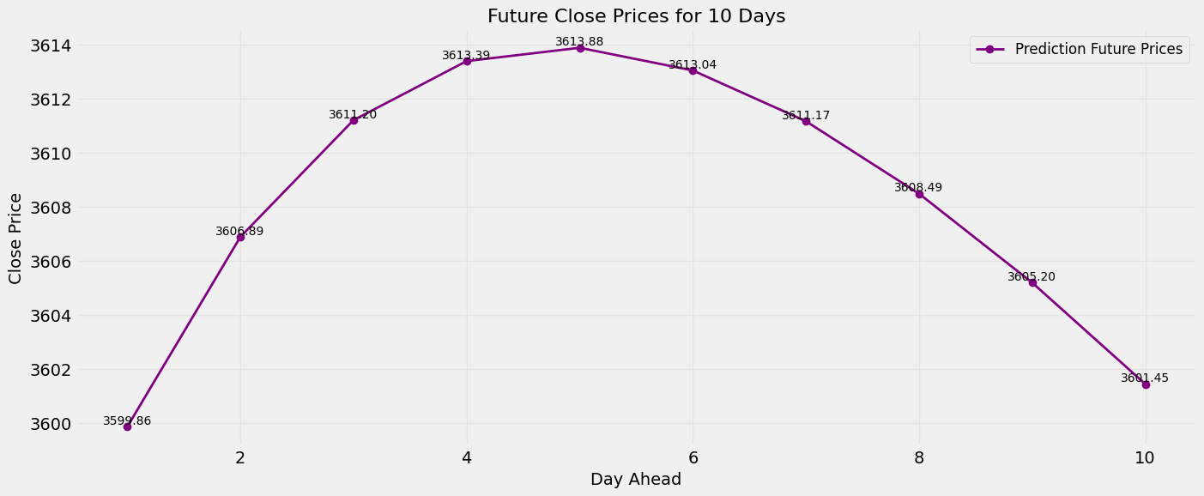

PLOT MAPE
HASIL MAPE
Jumlah | MAPE
1 | 2.884
2 | 3.6119
3 | 4.622
4 | 2.5117
5 | 5.7648
6 | 2.6769
7 | 3.7808
8 | 5.0165

